Card fraud
Sources
https://www.ecb.europa.eu/pub/cardfraud/html/ecb.cardfraudreport201809.en.html

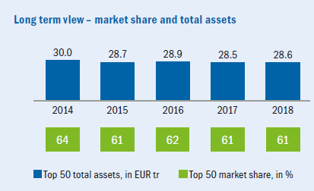
Market share
 |  |  | ZEB european study 2019
Unicredit total assets (bn) | €856
Top 50 banks total assets (bn) | €28,600
top 50 market share in % | 61%
Total market (bn) | 46,885 €
Unicredit Market share | 1.82%

Fraudulent transactions SEPA

Total Volume of transactions | € 4,380,000,000,000
Fraud Volumes | € 1,800,000,000
Card fraud | 0.04%
 | (or 4p per 100EUR)

Loss from Fraud and prevention 2020-2025

 | 2016 | Unicredit loss from fraudulent activities (2020) | Prevention of loss under assumptions | Unicredit loss from frauduluent activities (2020-2025) | Prevention of loss under assumptions (2020-2025)
Fraud Type |  | 1.82% | 30.00% | 5 years | 5 years
Total fraud cards issued in SEPA | € 1,800,000,000 | € 32,849,665 | € 9,854,899 | € 164,248,323 | € 49,274,497
Remote Purchase (CNP) i.e. internet, post or telephone | € 1,314,000,000 | € 23,980,255 | € 7,194,077 | € 119,901,276 | € 35,970,383
at POS terminals | € 342,000,000 | € 6,241,436 | € 1,872,431 | € 31,207,181 | € 9,362,154
at ATM's | € 144,000,000 | € 2,627,973 | € 788,392 | € 13,139,866 | € 3,941,960
Total | € 1,800,000,000 | € 32,849,665 | € 9,854,899 | € 164,248,323 | € 49,274,497

Other info

